Parameter Investigation
 | Points | shape | e | max iter | Time taken | Mean Erro | Std. Dev. | "Loss" |  |  | literature review on adaptivity. Where could you alter the code to define a priori slightly distributions of the collocation points. Skew them towards the center for example and if you can to see if that makes any difference.
Factr Investigation |  |  |  |  |  |  |  |  | Notes: |  | theres ways to test it without having it go to higher dimensions
1,25k_NNdef_e12_001pi | 1,250 | 32,16,32 | 1E+12 | 10000 | 52.9 | 1.04E-01 | 1.79E-01 | 4.13E-02 | = "convergence condition" it seems like it stops b4 10k iterations on lower factr
1,25k_NNdef_e8_001pi | 1,250 | 32,16,32 | 1E+08 | 10000 | 91.8 | 4.81E-02 | 2.37E-01 | 3.81E-04
1,25k_NNdef_e4_001pi | 1,250 | 32,16,32 | 1E+04 | 10000 | 204.5 | 2.73E-02 | 1.68E-01 | 1.00E-05
1,25k_NNdef_e1_001pi | 1,250 | 32,16,32 | 1E+01 | 10000 | 192.8 | 4.70E-03 | 3.55E-02 | 1.69E-05
10k_NNdef_e12_001pi | 10,000 | 32,16,32 | 1E+12 | 10000 | 43.9 | 1.24E-01 | 1.81E-01 | 4.65E-02
10k_NNdef_e7_001pi | 10,000 | 32,16,32 | 1E+07 | 10000 | 478.5 | 1.07E-03 | 1.45E-03 | 1.22E-04
10k_NNdef_e1_001pi | 10,000 | 32,16,32 | 1E+01 | 10000 | 844.0 | 2.94E-04 | 5.54E-04 | 1.12E-05

Time taken vs training points used
Mean error measured vs training points used
Training Point Investigation |  |  |  |  |  |  |  |  | 39.1 seconds per thousand training point
15k_NNdef_e7_001pi | 15,000 | 32,16,32 | 1E+07 | 5000 | 608.1 | 2.25E-03 | 7.19E-03 | 1.33E-04
10k_NNdef_e7_001pi | 10,000 | 32,16,32 | 1E+07 | 5000 | 398.4 | 2.76E-03 | 1.48E-02 | 7.82E-05
5k_NNdef_e7_001pi | 5,000 | 32,16,32 | 1E+07 | 5000 | 216.9 | 5.49E-03 | 3.96E-02 | 1.28E-04
2,5k_NNdef_e7_001pi | 2,500 | 32,16,32 | 1E+07 | 5000 | 117.7 | 1.50E-03 | 1.59E-03 | 7.93E-05
2,5k_NNdef_e7_001pi | 2,500 | 32,16,33 | 1E+07 | 5000 | 104.0 | 1.03E-02 | 7.82E-02 | 8.79E-05
2,5k_NNdef_e7_001pi | 2,500 | 32,16,34 | 1E+07 | 5000 | 87.4 | 9.90E-04 | 1.15E-03 | 1.11E-04
1,25k_NNdef_e7_001pi | 1,250 | 32,16,32 | 1E+07 | 5000 | 43.4 | 8.24E-03 | 5.51E-02 | 1.02E-04
1k_NNdef_e7_001pi | 1,000 | 32,16,32 | 1E+07 | 5000 | 69.6 | 1.25E-02 | 9.28E-02 | 2.12E-05
0.5k_NNdef_e7_001pi | 500 | 32,16,32 | 1E+07 | 5000 | 33.5 | 1.64E-02 | 1.15E-01 | 1.05E-04
0.25k_NNdef_e7_001pi | 250 | 32,16,32 | 1E+07 | 5000 | 34.1 | 5.72E-02 | 2.46E-01 | 4.61E-04

Quoted "loss" vs training points used
Std Dev of Mean error vs training points used
NN Shape |  |  |  |  |  |  |  |  | parameters
8k_NN20s_e7_001pi | 8,000 | 20x8 | 1E+07 | 5000 | 253.7 | 6.17E-04 | 1.47E-03 | 2.62E-05 | 3021
8k_NNdef_e7_001pi | 8,000 | 32,16,32 | 1E+07 | 5000 | 215.9 | 2.39E-03 | 1.45E-02 | 1.12E-04 | 1201
8k_NN16_e7_001pi | 8,000 | 16,8,16 | 1E+07 | 5000 | 154.2 | 2.79E-03 | 7.82E-03 | 1.94E-04 | 3.45E+02 | this array might have been overwritten accidentally by an unintentional repeat experiment
8k_NN16_e7_001pi | 8,000 | 16,8,16 | 1E+07 | 5000 | 151.3 | 9.80E-04 | 7.47E-04 | 1.34E-04 | 345
8k_NN8_e7_001pi | 8,000 | 8,4,8 | 1E+07 | 5000 | 88.1 | 1.41E-02 | 9.26E-02 | 0.0014 | 109
8k_NN4_e7_001pi | 8,000 | 4,2,4 | 1E+07 | 5000 | 14.2 | 6.27E-02 | 8.85E-02 | 0.0275 | 39 | This solution breaks
8k_NN2_e7_001pi | 8,000 | 2,1,2 | 1E+07 | 5000 | 8.6 | 1.90E-01 | 1.15E-01 | 0.0974 | 16 | Takes about 100 iterations to converge

Viscosity (1/100pi, 1/400pi) |  |  |  |  |  |  |  |  | Notes:
15k_NNdef_e7_001pi | 15,000 | 32,16,32 | 1E+07 | 5000 | 608.1 | 2.25E-03 | 7.19E-03 | 1.33E-04 | green points are re-used from earlier
10k_NNdef_e7_001pi | 10,000 | 32,16,32 | 1E+07 | 5000 | 398.4 | 2.76E-03 | 1.48E-02 | 7.82E-05
5k_NNdef_e7_001pi | 5,000 | 32,16,32 | 1E+07 | 5000 | 216.9 | 5.49E-03 | 3.96E-02 | 1.28E-04
2,5k_NNdef_e7_001pi | 2,500 | 32,16,33 | 1E+07 | 5000 | 104.0 | 1.03E-02 | 7.82E-02 | 8.79E-05
1,25k_NNdef_e7_001pi | 1,250 | 32,16,32 | 1E+07 | 5000 | 43.4 | 8.24E-03 | 5.51E-02 | 1.02E-04
1k_NNdef_e7_001pi | 1,000 | 32,16,32 | 1E+07 | 5000 | 69.6 | 1.25E-02 | 9.28E-02 | 2.12E-05
15k_NNdef_e7_0025pi | 15,000 | 32,16,32 | 1E+07 | 5000 | 578.7 | 8.77E-03 | 6.08E-02 | 4.00E-03
10k_NNdef_e7_0025pi | 10,000 | 32,16,32 | 1E+07 | 5000 | 479.8 | 9.07E-03 | 4.49E-02 | 3.50E-03
5k_NNdef_e7_0025pi | 5,000 | 32,16,32 | 1E+07 | 5000 | 184.6 | 4.06E-02 | 2.22E-01 | 1.30E-03
2,5k_NNdef_e7_0025pi | 2,500 | 32,16,33 | 1E+07 | 5000 | 89.5 | 5.43E-02 | 2.58E-01 | 6.80E-03
1,25k_NNdef_e7_0025pi | 1,250 | 32,16,32 | 1E+07 | 5000 | 58.0 | 4.04E-02 | 2.12E-01 | 1.80E-03
1k_NNdef_e7_0025pi | 1,000 | 32,16,32 | 1E+07 | 5000 | 49.2 | 1.23E-01 | 3.95E-01 | 4.48E-04

Time taken vs training points used
Mean error measured vs training points used
Biasing
8k_NNdef_e7_001pi | 8,000 | 32,16,32 | 1E+07 | 5000 | 215.9 | 2.39E-03 | 1.45E-02 | 1.12E-04 | 0 to 3/pi
8k_Nndef_e7_001pi_biastest3 | 8,000 | 32,16,32 | 1E+07 | 5000 | 403.4 | 2.75E-03 | 1.21E-02 | 1.04E-04 | 0 to 3/pi

8k_NNdef_e7_001pi_biastest | 8,000 | 32,16,32 | 1E+07 | 5000 | 308.1 | 9.42E-03 | 2.70E-02 | 1.20E-03 | 0 to 1
8k_NNdef_e7_001pi_biastest2 | 8,000 | 32,16,32 | 1E+07 | 5000 | 342.2 | 2.10E-03 | 9.58E-03 | 9.55E-05 | 0 to 1
8k_NNdef_e7_001pi_rangeadjusted | 8,000 | 32,16,32 | 1E+07 | 5000 | 333.3 | 1.48E-03 | 4.62E-03 | 1.16E-04 | 0 to 1 no bias

Bias Investigation
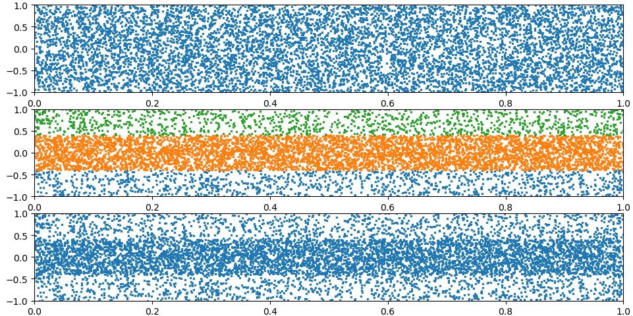
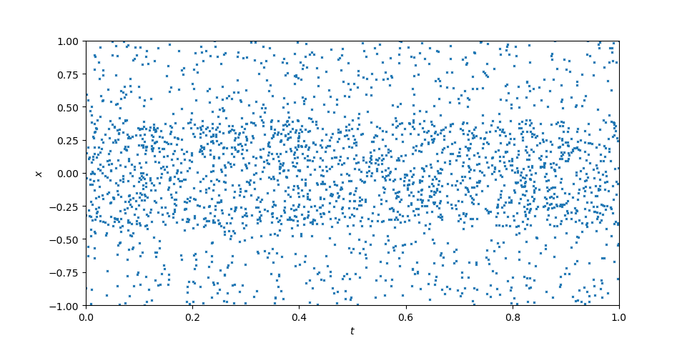
 | 8k Points, Biased |  | 8k Points, No Bias |  | 2k Points, Biased |  | 2k points, No Bias
2 | 0.0042488640126 | 1.3333 | 2.39E-03 | 2 | 0.017201413966 | 1.3333 | 1.03E-02
3 | 0.0016072221063 |  |  | 3 | 0.010163619446
4.6666666667 | 0.0018224278488 |  |  | 4.6666666667 | 0.0036305701878
8 | 0.007479703709 |  |  | 8 | 0.0070018257113
2 | 0.0022049460806
3 | 0.0025720768185
4.6666666667 | 0.001832362991
8 | 0.0023842741361
For all bias investigations:
factr | 1E+07
max iterations | 5000
Shape | 32,16,32
 |  |  |  |  |  | 1.3333333333

 |  | Setup |  |  |  |  |  | Results
 |  | name | training points | division number | division size | ??? | bias | Time | Error | Std Dev | "Loss"
 |  | 8k_bias0_run0 | 8000 | 3 | 0.6, 0.8, 0.6 | 2 | 0.25 : 0.5 : 0.25 | 260.2 | 0.0042488640126 | 0.027196150664 | 3.06E-04 | 50% of the points in 40% of the area
 |  | 8k_bias1_run0 | 8000 | 3 | 0.6, 0.8, 0.6 | 3 | 0.2 : 0.6 : 0.2 | 323.67 | 0.0016072221063 | 0.0080899315412 | 1.60E-04 | 60% of the points…
 |  | 8k_bias2_run0 | 8000 | 3 | 0.6, 0.8, 0.6 | 4.6666666667 | 0.15 : 0.7 : 0.15 | 259.76 | 0.0018224278488 | 0.0084242252783 | 7.47E-05 | 70%...
 |  | 8k_bias3_run0 | 8000 | 3 | 0.6, 0.8, 0.6 | 8 | 0.1 : 0.8 : 0.1 | 323.75642228 | 0.007479703709 | 0.029637786654 | 9.21E-04 | 80%...
 |  | 8k_bias0_run1 | 8000 | 3 | 0.6, 0.8, 0.7 | 2 | 0.25 : 0.5 : 0.26 | 302.75013161 | 0.0022049460806 | 0.01139651651 | 2.23E-04 | 50%...
 |  | 8k_bias1_run1 | 8000 | 3 | 0.6, 0.8, 0.8 | 3 | 0.2 : 0.6 : 0.3 | 336.44930267 | 0.0025720768185 | 0.010339954866 | 3.10E-04 | 60%...
 |  | 8k_bias2_run1 | 8000 | 3 | 0.6, 0.8, 0.9 | 4.6666666667 | 0.15 : 0.7 : 0.16 | 268.47458792 | 0.001832362991 | 0.0041662992684 | 1.08E-04 | 70%...
 |  | 8k_bias3_run1 | 8000 | 3 | 0.6, 0.8, 0.10 | 8 | 0.1 : 0.8 : 0.2 | 308.39033604 | 0.0023842741361 | 0.0066410735565 | 1.49E-04 | 80%...

 |  | 2,5k_bias0_run0 | 2500 | 3 | 0.6, 0.8, 0.6 | 2 | 0.25 : 0.5 : 0.25 | 109.93222713 | 0.017201413966 | 0.11805720295 | 1.68E-04
 |  | 2,5k_bias1_run0 | 2500 | 3 | 0.6, 0.8, 0.6 | 3 | 0.2 : 0.6 : 0.2 | 99.864153624 | 0.010163619446 | 0.060117392545 | 2.79E-04
 |  | 2,5k_bias2_run0 | 2500 | 3 | 0.6, 0.8, 0.6 | 4.6666666667 | 0.15 : 0.7 : 0.15 | 101.51741314 | 0.0036305701878 | 0.023130133245 | 6.71E-05
 |  | 2,5k_bias3_run0 | 2500 | 3 | 0.6, 0.8, 0.6 | 8 | 0.1 : 0.8 : 0.1 | 118.1818006 | 0.0070018257113 | 0.04714861697 | 1.14E-04

Type2Bias
error vs bias
name | Case 0_results
training points | 2500
pt1 | 0.1
xdiv | 0.4
bias | 0.28 | 0.3 | 0.4 | 0.5 | 0.6 | 0.7 | 0.8 | 0.9
Time | 164.6747613 | 190.88939643 | 133.46045685 | 122.85195112 | 91.901008606 | 77.341222286 | 101.30456305 | 108.06644011
Error | 0.0057099952666 | 0.0043041335786 | 0.0028271732447 | 0.084947721897 | 0.021371568722 | 0.098173887094 | 0.011034961895 | 0.22877876167
Std Dev | 0.037475847103 | 0.029115771914 | 0.018396133504 | 0.3253197305 | 0.12204318114 | 0.34553497832 | 0.050230909481 | 0.50504651562

FDM
First FDM study
N |  | time taken | minutes | L2
100 | 0.01/pi |  |  | N/A |  |  | Extrapolating:
200 | 0.01/pi |  |  | 1.25E+16 | 16.09856255 | 100 point solution broke | N | 25600 | min | hour
400 | 0.01/pi | 2.6 | 0.043333333333 | 0.0010892432353 | -2.9628751286 |  | time | 45065.398 | 751.08996667 | 12.518166111
800 | 0.01/pi | 32.9 | 0.54833333333 | 2.01E-05 | -4.6959544229
1600 | 0.01/pi | 123 | 2.05 | 8.16E-07 | -6.08852691
3201 | 0.01/pi | 587.5 | 9.7916666667 | 4.67E-08 | -7.3310929515
6400 | 0.01/pi | 2232.0823805 | 37.201373009 | 2.86E-09 | -8.5442419091

2000 N = 2000x2000 grid

6400x6400 | 0.0025/pi | 3270.5994129 | 54.509990215 | lower viscosity sees same pattern, longer to compute
1600x1600 | 1/pi | 79.7 |  | 1pi case sees no shock forming

